Sheet2
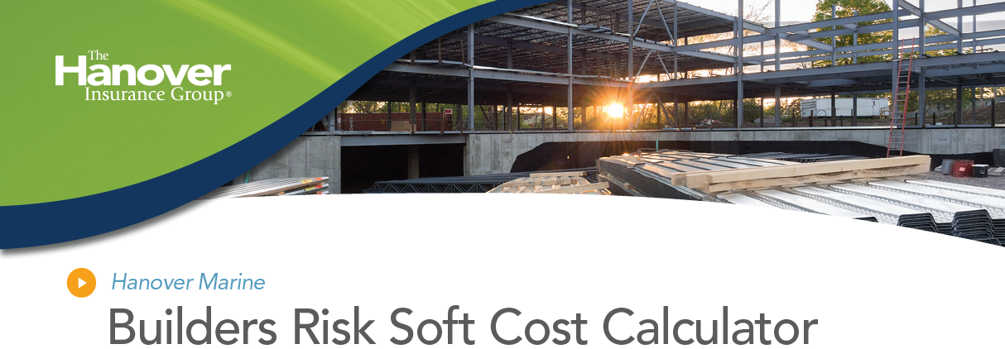

SOFT COSTS | LIMIT
Additional Interest Expense
Additional interest expense over the amount you would have paid | $
Additional Interest expenses dues to an increase in rate | $
Additional Advertising and Promotional Expense
Additional advertising expenses that you would incur | $
Additional promotional expenses that you would incur | $-
Additional fees for management
Additional fees or expenses for architects | $-
Additional fees for engineers | $-
Additional fees for interior designers | $-
Additional fees for attorneys (only to repair or replace covered property) | $-
Additional fees for accountants (only to repair or replace covered property) | $-
LEGAL FEES FOR PERMITS AND LICENSES
Additional fees for permits and licenses | $-
Additional fees for building inspection fees and related expenses | $-
INSURANCE PREMIUMS
Additional insurance premiuems due to the necessary extension of the policy terms | $-
ADDITIONAL TAXES
Additional taxes | $-
ADDITIONAL REAL ESTATE FEES
Additional real estate commissions | $-
Additonal legal expenses to renegotiate a lease | $-
REASONABLE GENERAL ADMINISTRATIVE EXPENSE
Reasonable General Administrative Expense | $-
 | $-
TOTAL = | $-

